Align to 4 Branches of Support
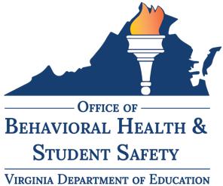 | Best Practices for Virginia Community School Implementation: Stage 3 | Delivering Supports
 | Best Practice 3.1 Align to the Four Branches of Student Support
 | Use this tab to document your team notes, ideas, questions, and challenges related to the delivery of supports across four branches of student support. If your school division has existing programs to support these needs, use your planning notes to integrate community school practices into these initiatives.
Project or Initiative | Area of Support |  | Notes & Ideas
 | Basic Needs | "x"
 | Food
 | Clothing
 | Personal Care
 | Housing
 | Healthcare
 | Transportation
 | School Supplies
 | Other:
 | Other:
 | Mental & Emotional Health | "x"
 | Student Safety
 | Trauma-Informed Care
 | Counseling Services & Supports
 | Alternatives to Suspension
 | Suicide Prevention
 | Social and Emotional Learning
 | Other:
 | Other:
 | Student Motivation & Engagement | "x"
 | Fostering high expectations
 | Making real world applications
 | Developing strong instructional practices
 | Meeting graduation requirements
 | Access to postsecondary planning
 | Access to internship and apprenticeships
 | Opportunities for service learning
 | Access to enrichment programs
 | Availability of before and after school programs
 | Availability of student interest clubs
 | Opportunities for civic learning & engagement
 | Opportunities for environmental conservation & nature-based learning
 | Family & Community Engagement | "x"
 | Building a culture of trust, respect, & mutuality
 | Creating a welcoming and inclusive atmosphere
 | Opportunities to listen and learn from families
 | Access to transporation, childcare, and meals during events and family meetings
 | Access to adult education
 | Availability of mentorship
 | Access to volunteer opportunities
 | Access to leadership opportunities
 | Access to family education opportunities
 | Building a culture of communication

Integrate Tiered Systems of Sup
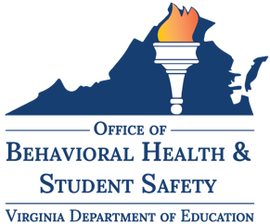 | Best Practices for Virginia Community School Implementation: Stage 3 | Delivering Supports
 | Best Practice 3.2 Provide Support Through Tiered Systems
 | Use this tab to document your team notes, ideas, questions, and challenges related to the delivery of supports through tiered systems. If your school division engages a tiered framework for student support, such as VTSS, MTSS, or PBIS, use your planning notes to integrate community school practices into these models.
Project or Initiative | Tier 1 Supports and Services (Universal) | Tier 2 Supports and Services (Targeted) | Tier 3 Supports and Services (Intensive)

Facilitate Stakeholder Learning
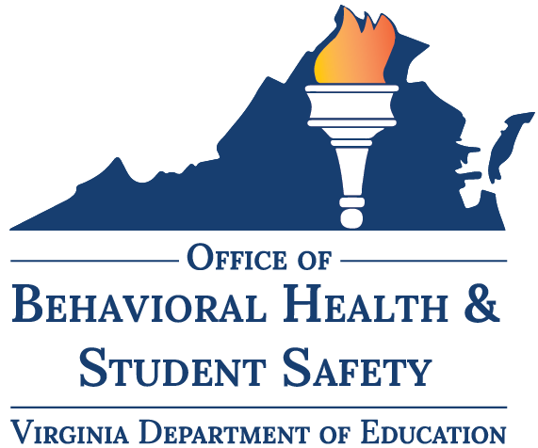 | Best Practices for Virginia Community School Implementation: Stage 3 | Delivering Supports
 | Best Practice 3.3 Facilitate Stakeholder Learning & Engagement
 | Use this tab to capture your team's notes, ideas, questions, and challenges related to learning and engaging with students, families, community members, staff, faculty, and leadership. Use the guiding questions in the left column to brainstorm methods to engage in collaborative learning. Partner with the point people who manage these initiatives, use your planning notes to integrate community school practices in your collaboration.
Guiding Questions | Notes & Ideas

How can school staff & faculty
learn from families
share with families
learn from community partners
share with community partners

How can families
learn from community partners
share with community partners
learn from school staff & faculty
share with school staff & faculty

How can community partners
learn from school staff & faculty
share with school staff & faculty
learn from families
share with families

