Create Routines to Collect Feed
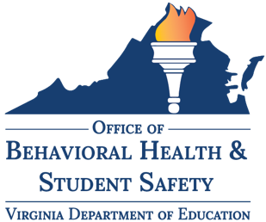 | Best Practices for Virginia Community School Implementation: Stage 4 | Monitoring, Evaluating & Adjusting Plans
 | Best Practice 4.2 Create Routines to Collect Feedback

Initiative | Impacted Stakeholder | Expected Outcome | How Measured | Data Source | What do we want to gather feedback on? | Method(s) | How often? | Proposed Dates | Notes on Administration | Notes on Access | Notes on Analysis

Engage in Ongoing Evaluation
 | Best Practices for Virginia Community School Implementation: Stage 4 | Monitoring, Evaluating & Adjusting Plans
 | Best Practice 4.3 Engage in Ongoing Evaluation
 | Use these questions to conduct regular impact reviews. Draw from data and feedback in your ongoing community school team meetings in order to measure progress and identify potential inefficiencies, emergent needs, or concerns
Guiding Questions | Notes & Ideas
Are supports or interventions being done with fidelity and consistency?
Are the identified students (needing assistance) accessing supports?
Does the data indicate the supports are effective?
Do we need to expand or offer follow-up training?
Are there any changes in outcome data?
Were services delivered to students identified as needing additional supports?
Are there any fidelity concerns?
Do we need to change anything in the future?

Stage 4 Self-Assessment
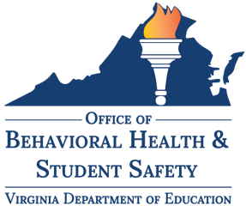 | Best Practices for Virginia Community School Implementation: Stage 4 | Monitoring, Evaluating & Adjusting Plans
 | Stage 4 Self-Assessment
 | Complete this self-assessment to measure your progress adopting community school practices. For each of the three areas of evaluation, read the statement in the corresponding row. Select the statement that most closely aligns to your school division’s current practices. Mark an “x” to the right of the statement, describing the degree to which your division has adopted the best practices. Use the space at the end of each row under the column labeled “Possible Action Steps & Recommendations” to document your team’s ideas to further integrate the best practices into your community school strategy.
 | Exploring | Emerging | Maturing | Excelling | Team Reflections & Ideas | Data Sources | Possible Action Steps & Recommendations
Who evaluates community school programs Best Practices 4.2, 4.3 | At least once a year, the community school team evaluates whether programs and supports are effective | At least once a year, the community school team and school/division administrators evaluate whether programs and supports are effective | At least once a year, the community school team and school/division administrators evaluate whether programs and supports are effective. Feedback from staff who implement programs is considered | Throughout the year the community school team and school/division administrators evaluate whether programs and supports are effective. Feedback from impacted students, families, and staff is considered
How community school programs are evaluated Best Practices 4.1, 4.2, 4.3 | The community school team uses primary outcome data to monitor strategy fidelity and impact | At least once a year, the community school team uses data analysis to monitor strategy fidelity and impact and to identify additional student needs or concerns | The community school team includes data analysis in the meetings periodically during the year to monitor strategy fidelity and impact as well as identify additional student needs or concerns | The community school team regularly includes data analysis in the meetings throughout the year to monitor strategy fidelity and impact as well as identify additional student needs or concerns
How programs are strengthened and supported Best Practices 4.2, 4.3 | Training and supports are in place for school personnel to enhance fidelity | Training and supports are in place for supportive adults - including school personnel and community partners - to enhance fidelity | Training and supports are in place for supportive adults - including school personnel and community partners - to enhance fidelity and provide opportunities for continuous improvement | Training and supports are in place for supportive adults - including school personnel, families, and community partners - to enhance fideltiy and provide opportunities for continuous improvement

